Model Fit
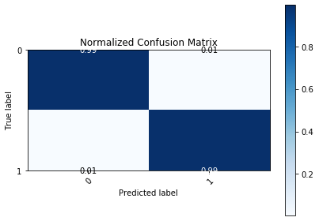
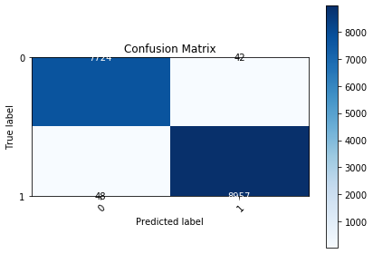
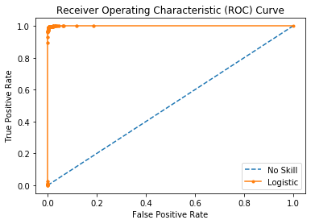
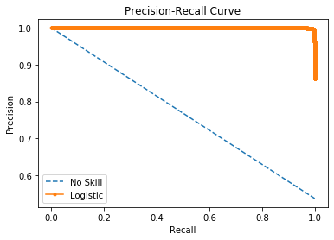

Logistic Area Under Curve | 0.99982164314 | Logistic Area Under Curve | 0.99984986846
No Skill Area Under Curve | 0.5 | Logistic F1 | 0.99500111086
Optimal Threshold | 0.60037636746 | No Skill Area Under Curve | 0.76846938167
 |  | No Skill F1 | 0
 |  | Best Threshold (F1) | 0.52

